Sheet1
 | Document No. |  | Issue No. | Issue Date |  | Review and Replace Date |  | Authorised By
 | GFF569MC |  | 1 | 29.07.2026 |  | New Issue
 | Document Title |  | DMG- 20 Onion Bhaji 100G-2000g - High Risk
 |  |  |  |  |  |  |  | Magda Shah
Document amendments reason for change | New document created |  | Page 1 of 1 |  | Previous Issue Date |  | New Issue | Uncontrolled copy unless signed original

FOBHL-1B20BDM |  | DANORA - Musgraves |  |  | DMG- 20 Onion Bhaji 100G-2000g | FROZEN
STEP 1 |  |  |  |  | STEP 2
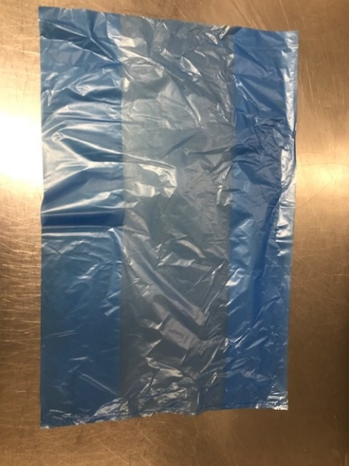
FROZEN
PACK + 1 year

Blue Bag: Blue Tint Bags Plain (FREEZER BAG) (PKPMC001-02) |  |  |  |  | Onion Bhaji (100g)-GFF121R : 2000g

STEP 3
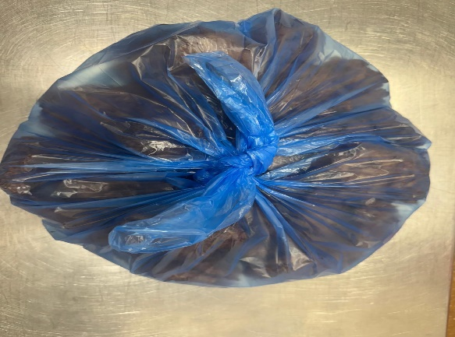
Onion Bhaji 100g (1X20 Units) -2000g
TOTAL WEIGHT: 2000g

ALLERGY ALERT: None

